Issues
 | In the Son/daughter list view page, the Text field size for the link 'Parent of this relative' should be increased to show the full Parent name.
1 | The Text field size should be increased to show the full Parent to this relative data

2 | Data in 'Relation to Patient for Aunt Uncle ' field ia missing in List view page

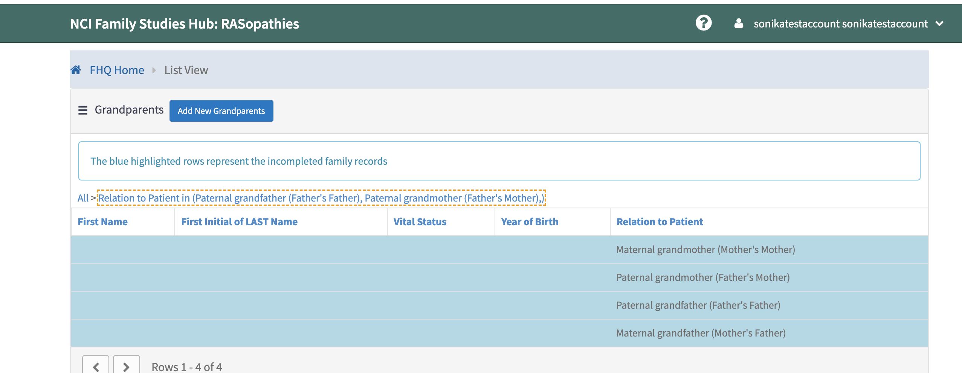

3 | There is another nice to have finding in GrandParents.
 | The Relations to patient link label is not showing complete.Need to increase the text size.

4 | Has this relative ever had any miscarriages, stillbirths, induced abortions …
 | Has this relative ever had any miscarriages or stillbirths?

5 | Has this relative ever been diagnosed with RASopathy? Question is missing in Mother Form

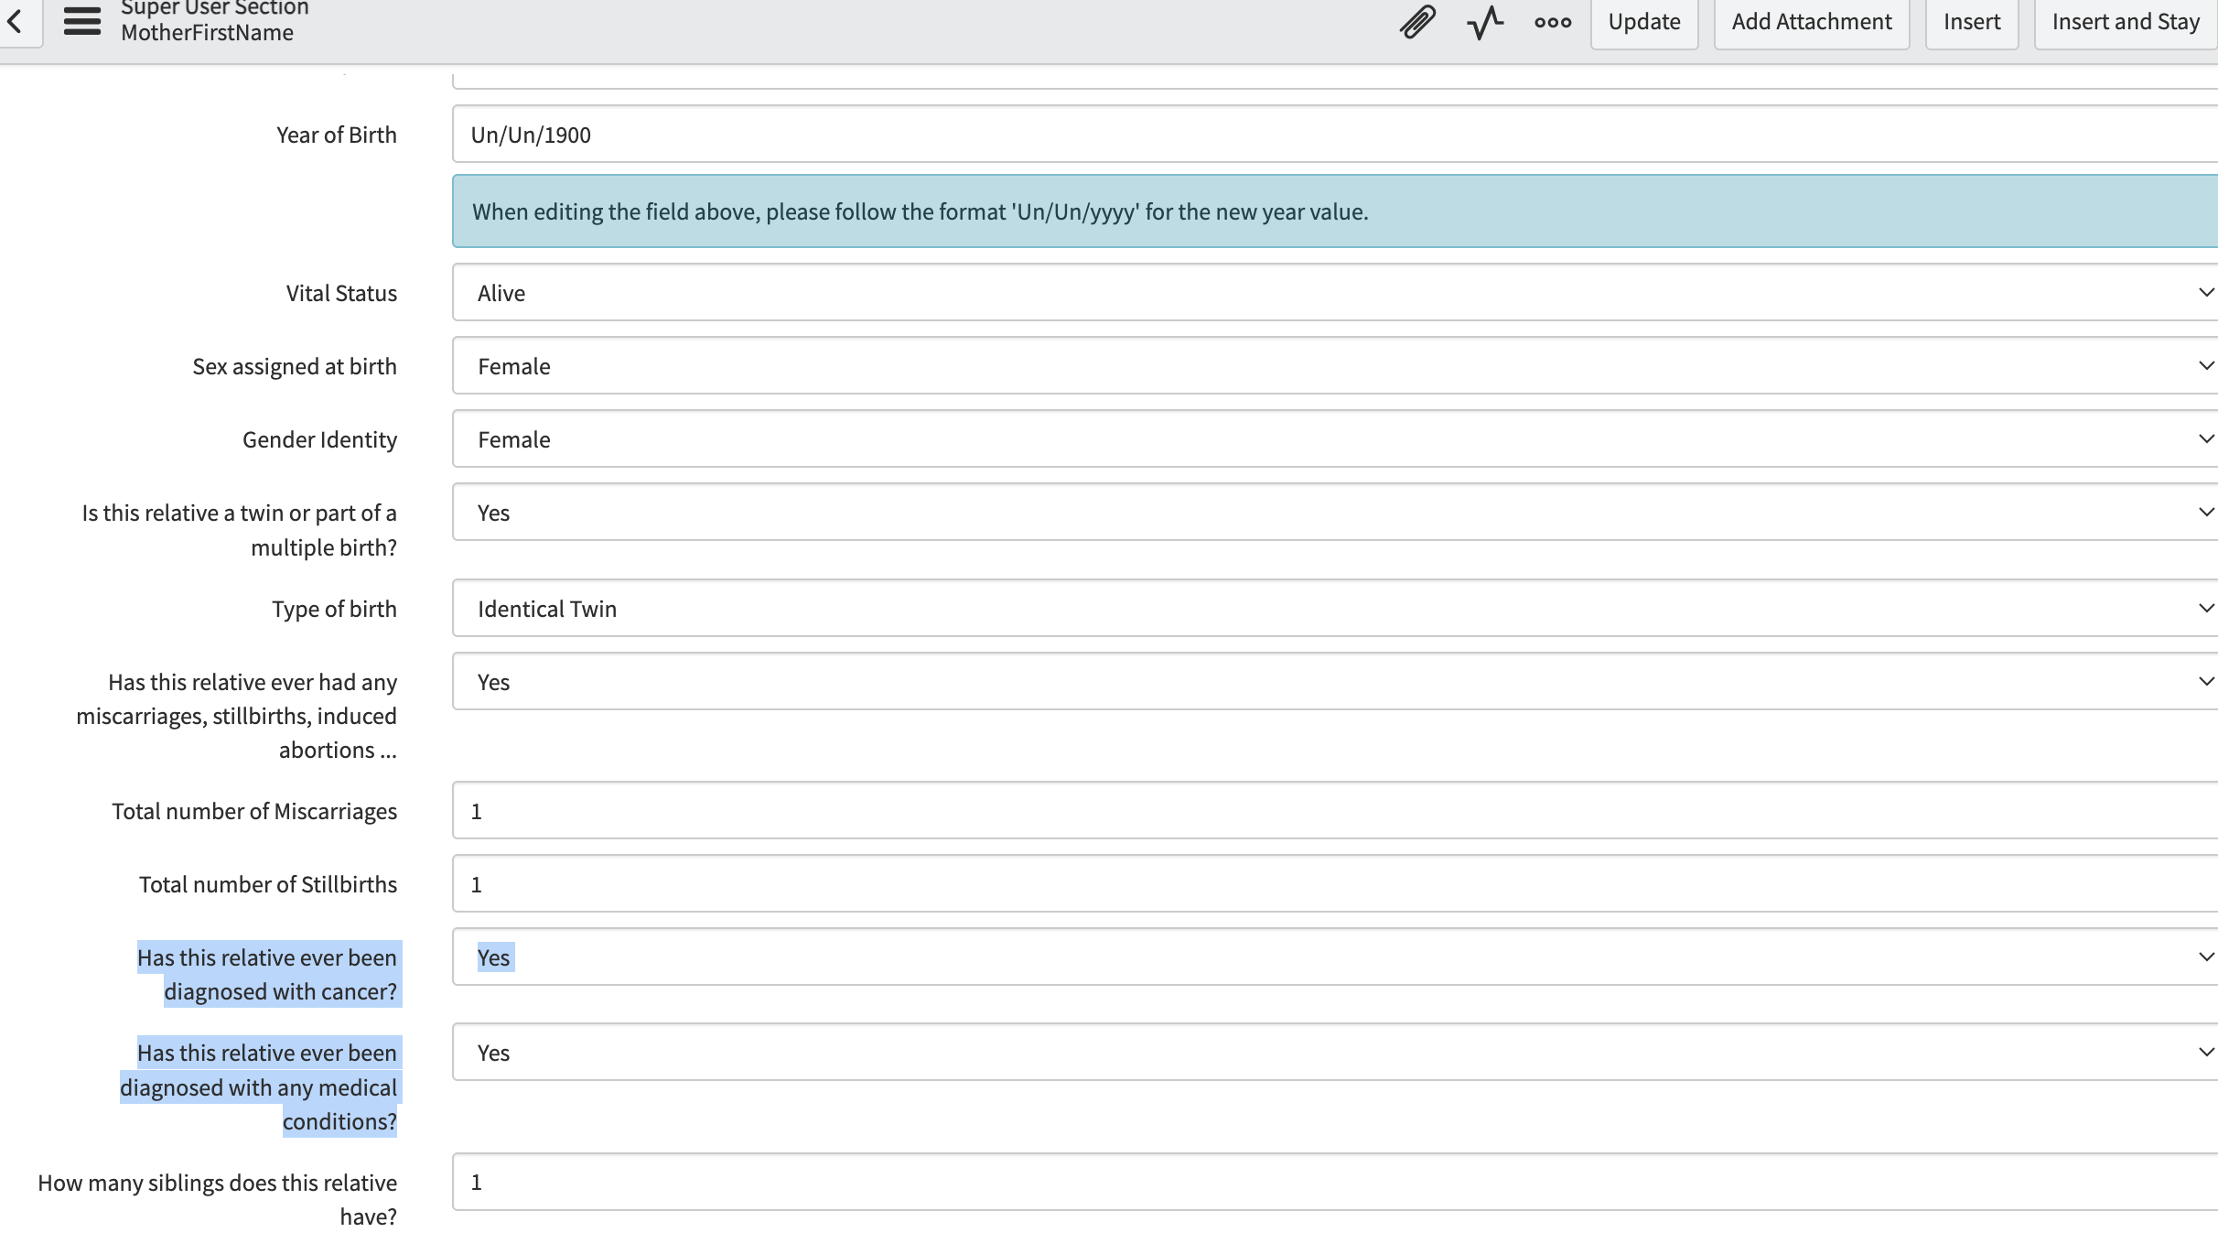

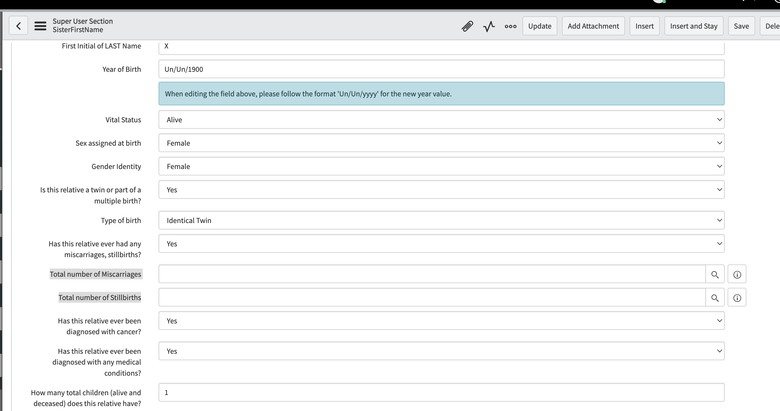
6 | Aunt/Uncle Form in NV has missing number of Miscarriages and Still births number added by the user

